CBIS
Basic Info |  |  | Comments
System Name |  | Community Based Information System
Abbriviation |  | CBIS
Division Belongs to |  | Community Health Divison (Tamba Boima, room 418, 420)
Subsystem Contact | Name | Jerome Korvah
 | Email | jk86korvah@gmail.com
 | Phone No. | 00 231 1886942568 / 00 231 770942568
 | Position | M & E Officer, CBIS Focal Point
Subsystem host OS/Software |  | Ubuntu 16.04 LTS | CBIS is built on DHIS 2. One more layer (the community level) is added to exsiting DHIS 2.
Subsystem host type |  | Server
Division
Name |  | Health Information Systems, Monitoring and Evaluation and Research Unit of the MoH (HMER) (Luke Bawo)
Contact Phone Number |  | 00231777932220
Contact Email Address |  | lukebawo@gmail.com
URL
Description (opt)
System & Data
Description of CBIS |  | CBIS is used for mornitoring and evaluation of health related issues at community level.
Data Collection Process |  | Paper based data are collected at the communities. The data are aggregated at the facilities and then automated at District or County level. | CHA visits the communities and collect data to fill a paper form. At the end of the form, values of indicators are filled in. These indicators are collected and aggregated until District or County level, and put electronically into CBIS. (details can be found on the PPT introduction)
Data location & format |  | DHIS2 database | sick child management, event based survallence triggers, family planning routine visits data, special services, and community engagement | All the data that were in paper based form are transmitted and included in the CBIS system.
 |  | CHA and CHSS Traning Ledgers are stored in Community Health Division team members laptop now. It will be put into iHRIS
 |  | CHA and CHSS Training Materials are stored in Community Health Division team members' laptops
 |  | Excel sheets used by communities to collect data can be found in CBIS SOP
 |  | CBIS SOP is stored in DHIS 2 (Reports -> Resources )
What data exist |  | Data Element, Indicators, Periods, Organization Units
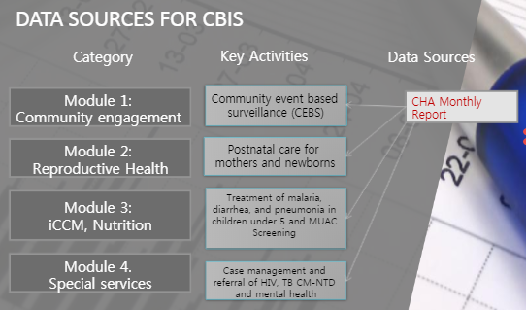
Other Information

Interoperability Overview
